Sheet1
DATE | INV NO. | DESCRIPTIONS | QTY | BILLS | PRICE | SUBTOTAL | TOTAL
18-Dec-2025 | SOPR/ABC/25/12/0254 | CODIGO BLANCO | 1 | 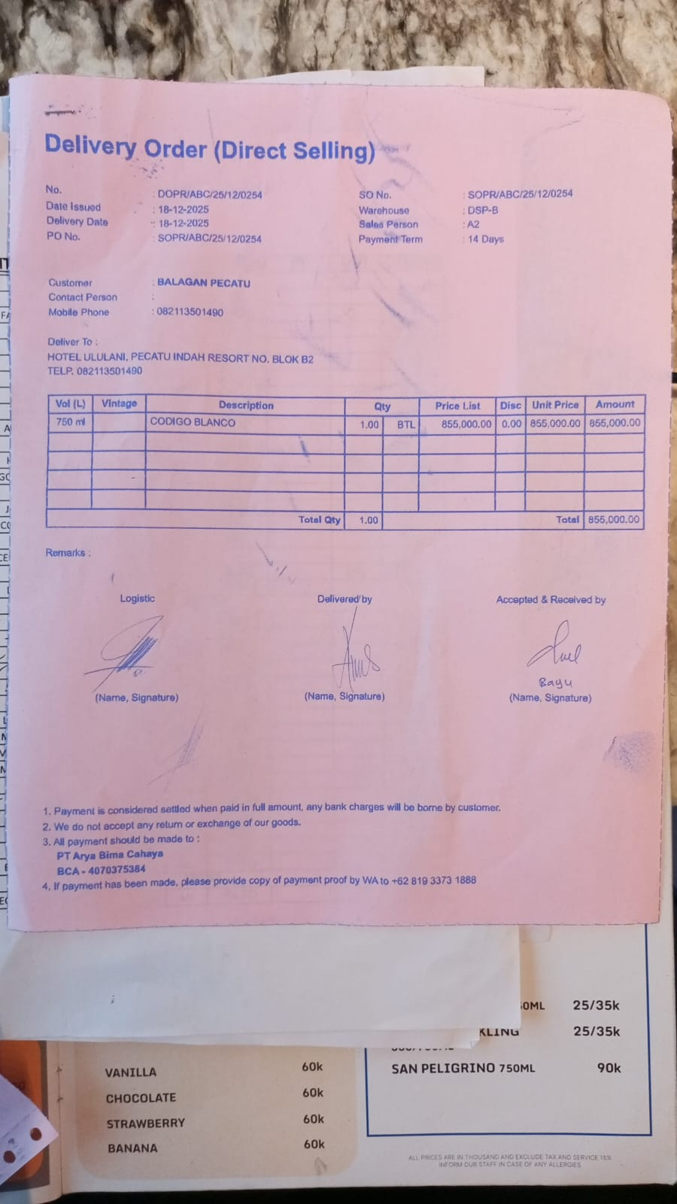 | IDR 855,000 | IDR 855,000 | IDR 855,000
26-Dec-2025 | SOPR/ABC/25/12/0411 | CODIGO BLANCO | 2 |  | IDR 855,000 | IDR 1,710,000 | IDR 1,710,000
30-Dec-2025 | SOPR/ABC/25/12/0491 | JOSE CUERVO REPOSADO TEQUILA | 3 | 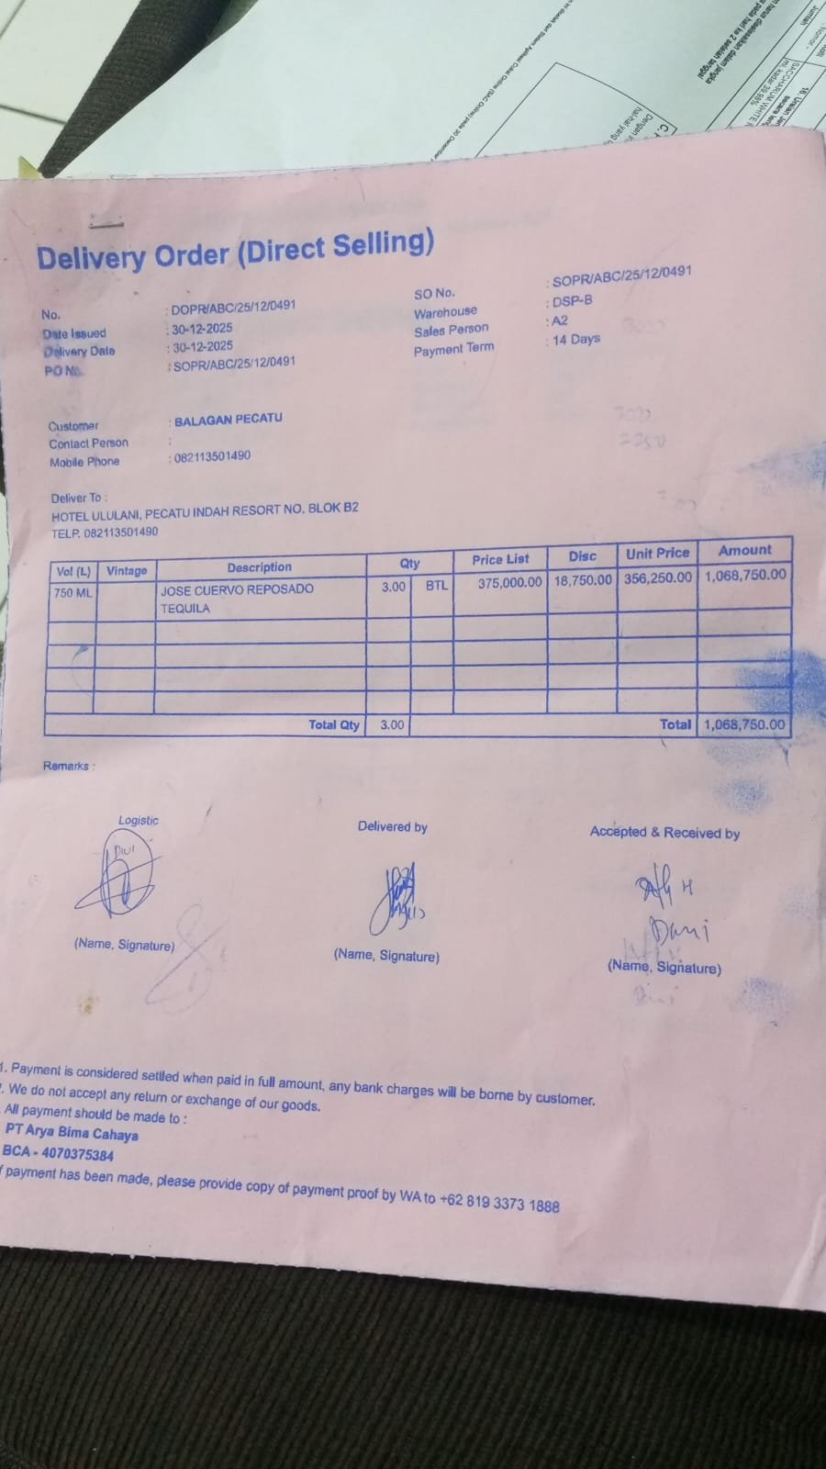 | IDR 356,250 | IDR 1,068,750 | IDR 1,068,750
TOTAL |  |  |  | Rp3,633,750

